Overall
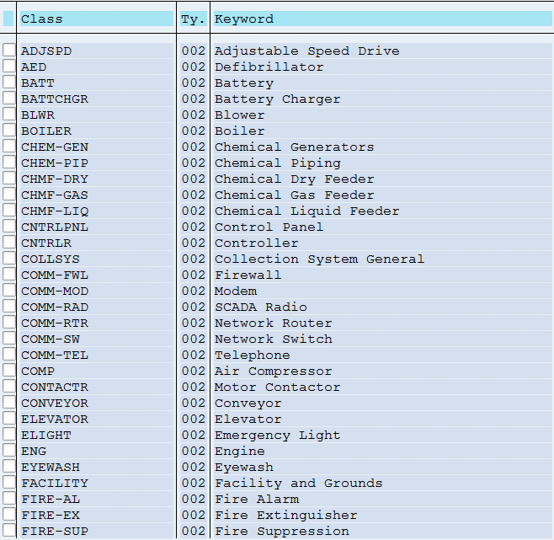
Class | Keyword | Volume
ADJSPD | ADJUSTABLE SPEED DRIVE | 62
AED | DEFIBRILLATOR | 5
BATT | BATTERY | 163
BATTCHGR | BATTERY CHARGER | 32
BLWR | BLOWER | 9
BOILER | BOILER | 14
BURNER | BURNER | 0
CALIB | CALIBRATION DEVICE | 0
CATHODIC | CATHODIC PROTECTION | 0
CHEM-GEN | CHEMICAL GENERATORS | 21
CHEM-PIP | CHEMICAL PIPING | 192
CHMF-DRY | CHEMICAL DRY FEEDER | 18
CHMF-GAS | CHEMICAL GAS FEEDER | 17
CHMF-LIQ | CHEMICAL LIQUID FEEDER | 26
CNTRLPNL | CONTROL PANEL | 29
CNTRLR | CONTROLLER | 1
CO | CLEAN OUT | 0
COLLSYS | COLLECTION SYSTEM GENERAL | 1
COMM-FWL | FIREWALL | 1
COMM-MOD | MODEM | 22
COMM-RAD | SCADA RADIO | 54
COMM-RTR | NETWORK ROUTER | 4
COMM-SW | NETWORK SWITCH | 2
COMM-TEL | TELEPHONE | 36
COMP | AIR COMPRESSOR | 36
CONTACTR | MOTOR CONTACTOR | 8
CONTAIN | SECONDARY CONTAINMENT | 0
CONVEYOR | CONVEYOR | 7
DAM | DAM | 0
DISTSYS | DISTRIBUTION SYSTEM | 0
DISTTOOL | DISTRIBUTION TOOL | 0
ELEVATOR | ELEVATOR | 2
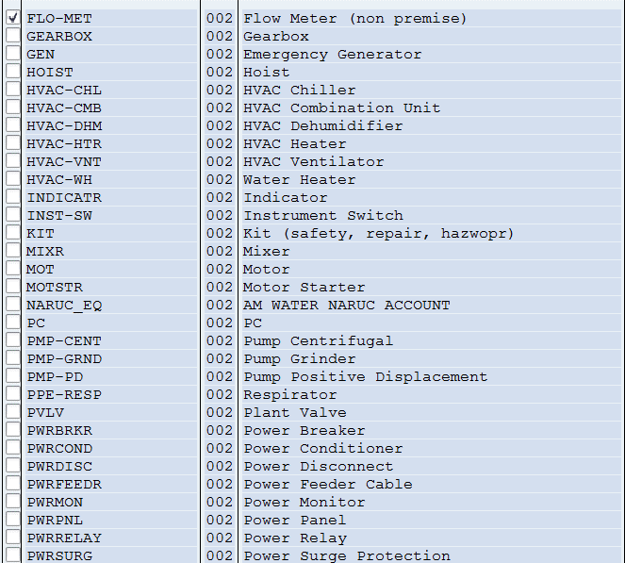
ELIGHT | EMERGENCY LIGHT | 446
ENG | ENGINE | 32
EYEWASH | EYEWASH | 29
FACILITY | FACILITY AND GROUNDS | 365
FIRE-AL | FIRE ALARM | 28
FIRE-EX | FIRE EXTINGUISHER | 207
FIRE-SUP | FIRE SUPPRESSION | 8
FLO-MET | FLOW METER (NON PREMISE) | 257
FLO-WEIR | FLOW WEIR | 0
GEARBOX | GEARBOX | 6
GEN | EMERGENCY GENERATOR | 36
GMAIN | GRAVITY SEWER MAIN | 0
GRINDER | GRINDER | 0
HOIST | HOIST | 28
HVAC-CHL | HVAC CHILLER | 1
HVAC-CMB | HVAC COMBINATION UNIT | 2
HVAC-DHM | HVAC DEHUMIDIFIER | 45
HVAC-EXC | HEAT EXCHANGER | 0
HVAC-HTR | HVAC HEATER | 248
HVAC-TWR | COOLING TOWER | 0
HVAC-VNT | HVAC VENTILATOR | 95
HVAC-WH | WATER HEATER | 15
HYD | HYDRANT | 0
INDICATR | INDICATOR | 101
INST-SW | INSTRUMENT SWITCH | 121
KIT | KIT (SAFETY, REPAIR, HAZWOPR) | 17
LABEQ | LAB EQUIPMENT | 0
LK-MON | LEAK MONITOR | 0
MH | MANHOLE | 0
MIXR | MIXER | 34
MOT | MOTOR | 380
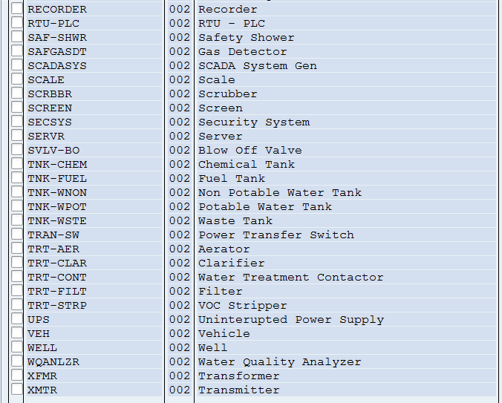
MOTSTR | MOTOR STARTER | 325
NARUC_EQ | AM WATER NARUC ACCOUNT | 0
OIT | OPERATOR COMPUTER TERMINAL | 0
PC | PC | 12
PDMTOOL | PDM TOOL | 0
PHASECON | PHASE CONVERTER | 0
PMP-CENT | PUMP CENTRIFUGAL | 442
PMP-GRND | PUMP GRINDER | 23
PMP-PD | PUMP POSITIVE DISPLACEMENT | 189
PPE-ARC | ARC FLASH PROTECTION | 0
PPE-FALL | FALL PROTECTION | 0
PPE-FLOT | FLOATATION DEVICE | 0
PPE-RESP | RESPIRATOR | 30
PRESDMP | PRESSURE DAMPER | 0
PRNTR | PRINTER | 0
PVLV | PLANT VALVE | 1582
PWRBRKR | POWER BREAKER | 206
PWRCOND | POWER CONDITIONER | 19
PWRDISC | POWER DISCONNECT | 452
PWRFEEDR | POWER FEEDER CABLE | 14
PWRMON | POWER MONITOR | 1
PWRPNL | POWER PANEL | 240
PWRRELAY | POWER RELAY | 6
PWRSURG | POWER SURGE PROTECTION | 5
RECORDER | RECORDER | 19
RTU-PLC | RTU - PLC | 154
SAFGASDT | GAS DETECTOR | 0
SAF-SHWR | SAFETY SHOWER | 85
SCADASYS | SCADA SYSTEM GEN | 5
SCALE | SCALE | 4
SCRBBR | SCRUBBER | 3
SCREEN | SCREEN | 8
SECSYS | SECURITY SYSTEM | 209
SERVR | SERVER | 4
SVLV | STREET VALVE | 0
SVLV-BO | BLOW OFF VALVE | 6
TNK-CHEM | CHEMICAL TANK | 135
TNK-FUEL | FUEL TANK | 9
TNK-PVAC | AIR/ VACUUM TANK | 0
TNK-WNON | NON POTABLE WATER TANK | 26
TNK-WPOT | POTABLE WATER TANK | 68
TNK-WSTE | WASTE TANK | 22
TOOL | TOOL | 0
TRAN-SW | POWER TRANSFER SWITCH | 45
TRT-AER | AERATOR | 1
TRT-CLAR | CLARIFIER | 19
TRT-CONT | WATER TREATMENT CONTACTOR | 28
TRT-FILT | FILTER | 90
TRT-SOFT | SOFTENER | 0
TRT-STRP | VOC STRIPPER | 1
TRT-UV | UV SANITIZER | 0
UPS | UNINTERUPTED POWER SUPPLY | 51
VEH | VEHICLE | 2
WELL | WELL | 109
WQANLZR | WATER QUALITY ANALYZER | 73
XFMR | TRANSFORMER | 107
XMTR | TRANSMITTER | 386
AMIDATACOLL | AMIDATACOLL | 0
UV-SOUND | UV-SOUND | 0
 |  | 8478

